M04
Speaker: M04 | Intelligibility: Very Low | Speech Vision Accuracy: 10.94

Model Name | Layers Frozen | Accuracy | Loss graph | Training accuracy graph
M04_E1.h5 | Encoder 1 | 7 | 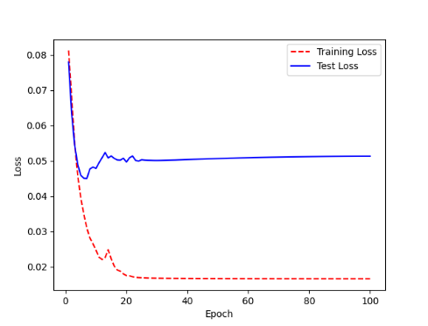 | 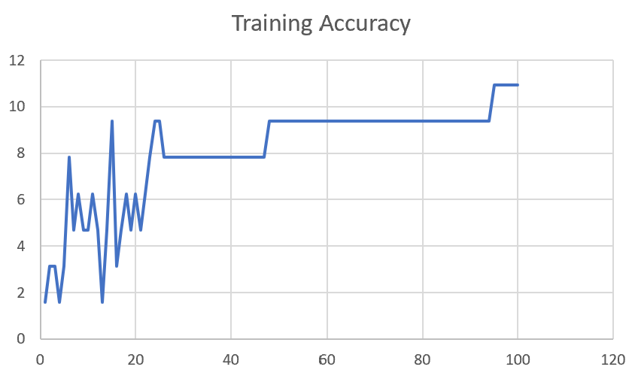

M04_E12.h5 | Encoder 12 | 5 | 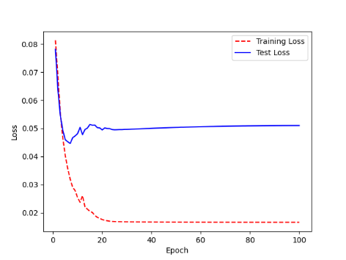 | 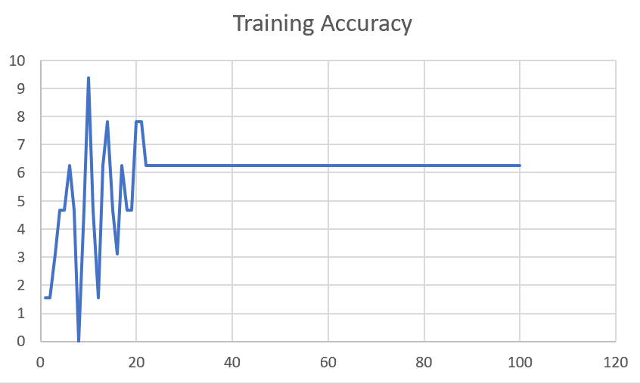

M04_E123 | Encoder 123 | 7 | 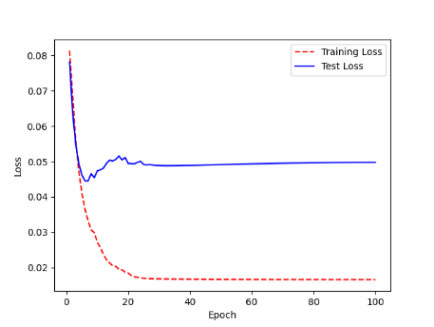 | 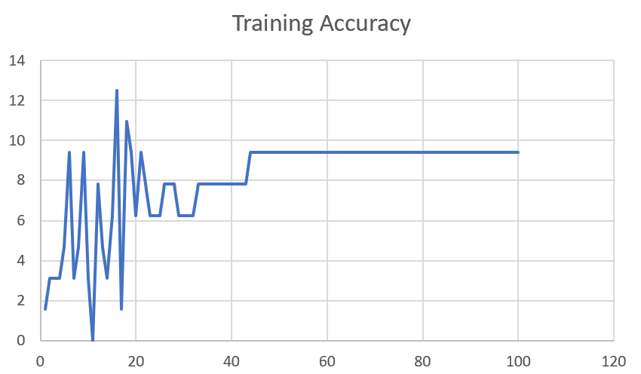

M04_E1234 | Encode 1234 | 6 |  | 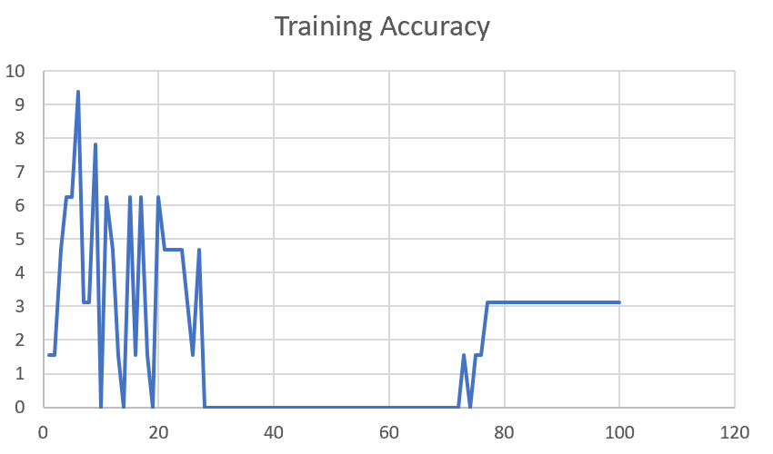

M04_E12345 | Encode 12345 | 6 | 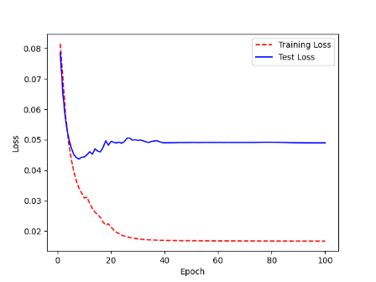 | 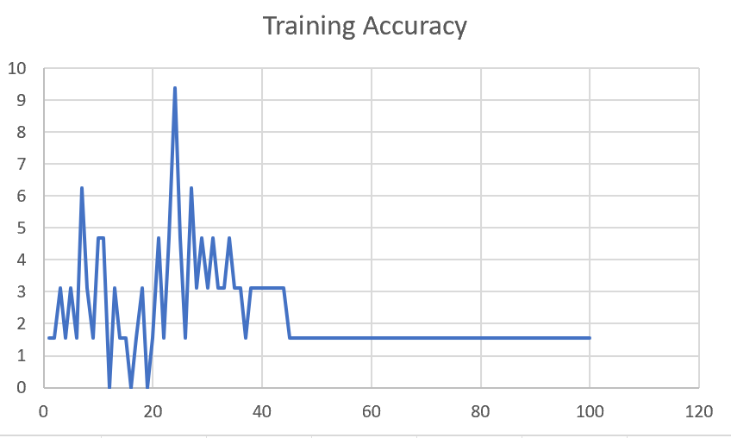

M04_TE | Token Embeddings | 7 | 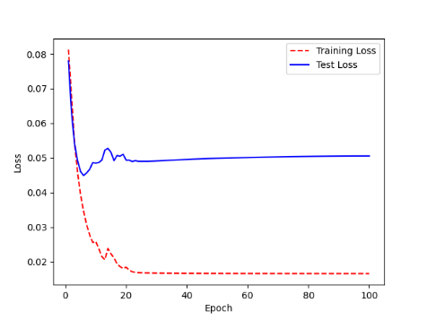 | 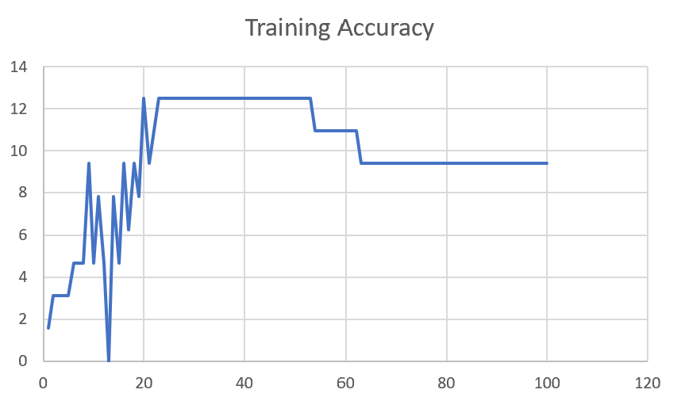

M04_T3+D123 | Token Embeddings + Decoder 1 | 6 | 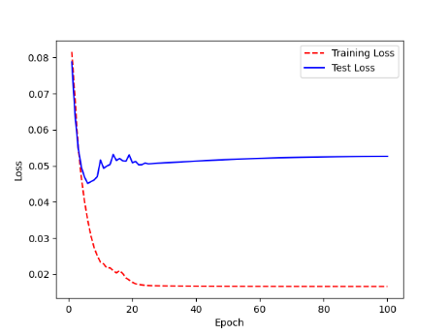 | 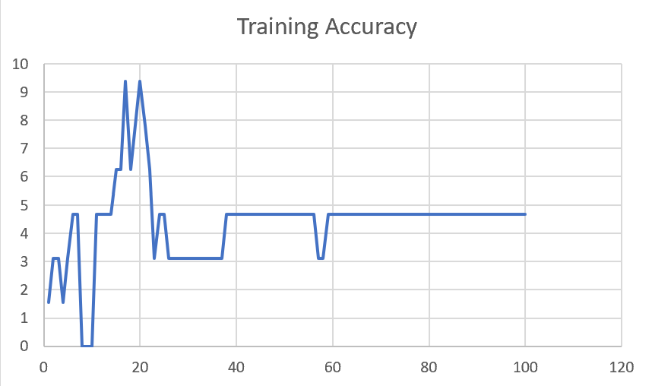

M04_T3+D12 | Token Embeddings + Decoder 12 | 6 | 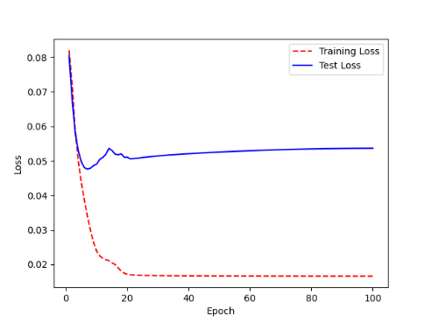 | 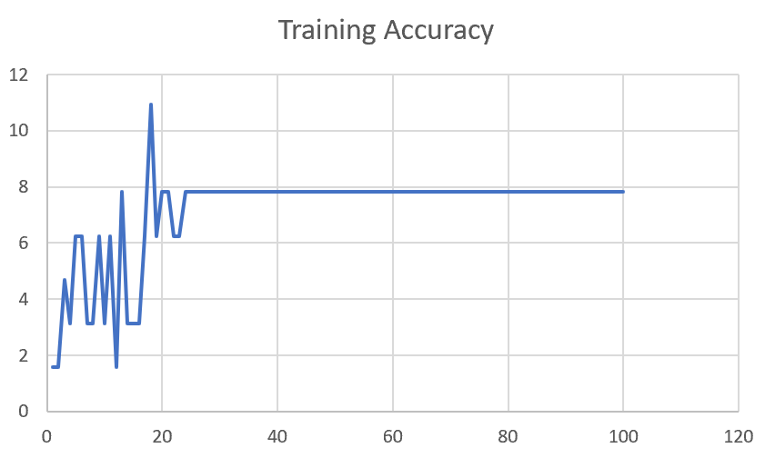

M04_T3+D1 | Token Embeddings + Decoder 123 | 5 | 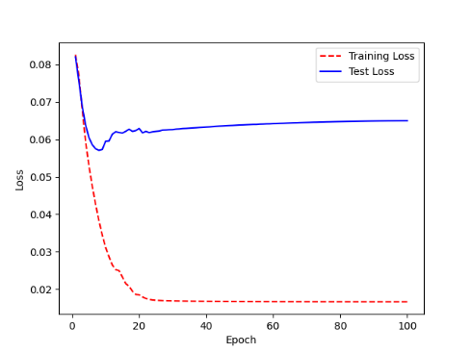 | 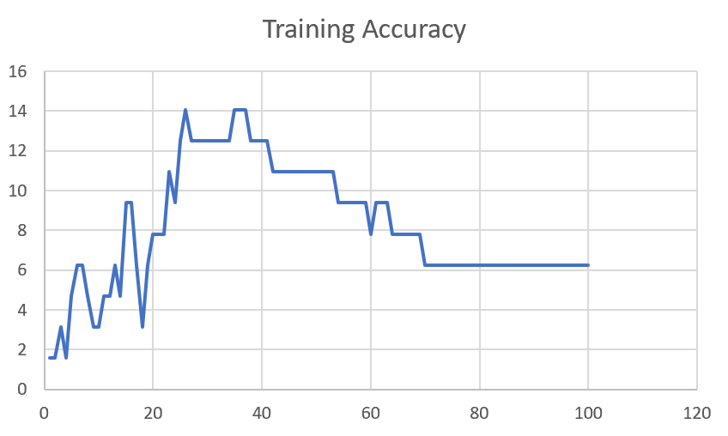

F02
Speaker: F02 | Intelligibility: Low | Speech Vision Accuracy: 67.02

Model Name | Layers Frozen | Accuracy | Loss graph | Training accuracy graph
F02_E1.h5 | Encoder 1 | 47 |  | 

F02_E12.h5 | Encoder 12 | 45 |  | 

F02_E123 | Encoder 123 | 47 |  | 

F02_E1234 | Encode 1234 | 43 |  | 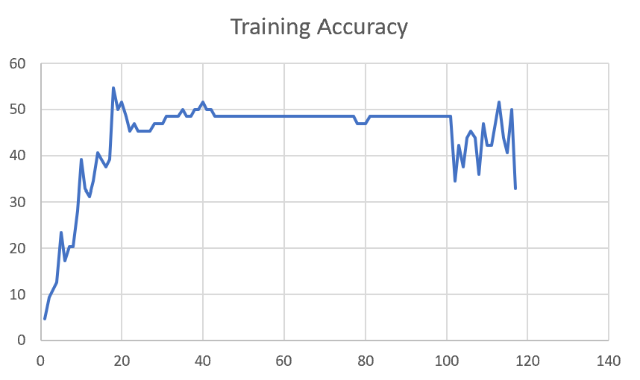

F02_E12345 | Encode 12345 | 41 | 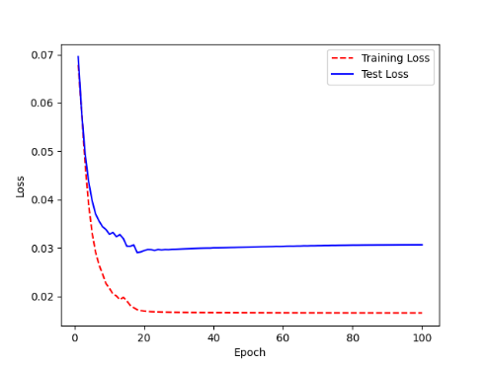 | 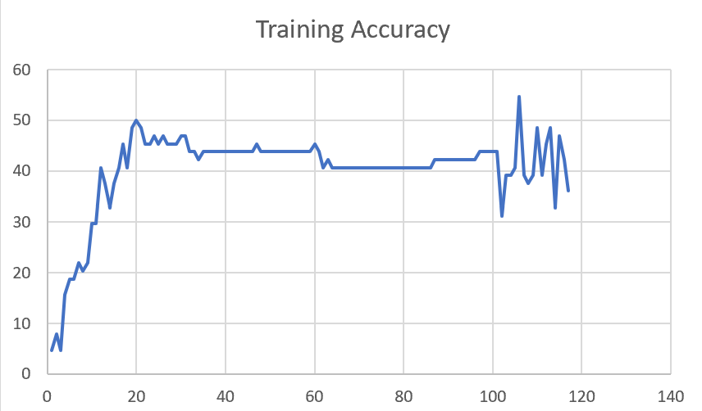

F02_t3 | Token Embeddings | 52 | 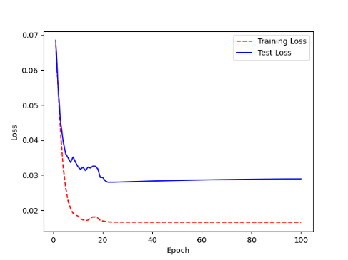 | 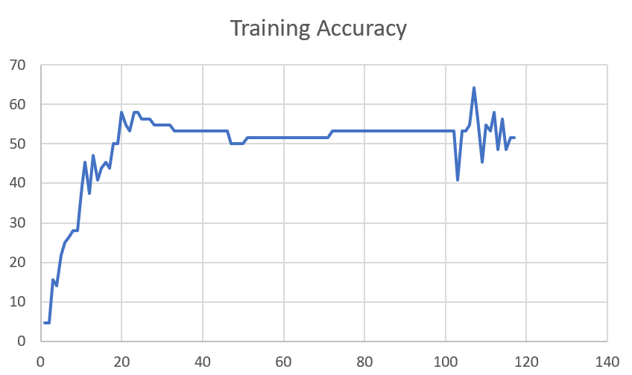

F02_T3+D123 | Token Embeddings + Decoder 123 | 45 | 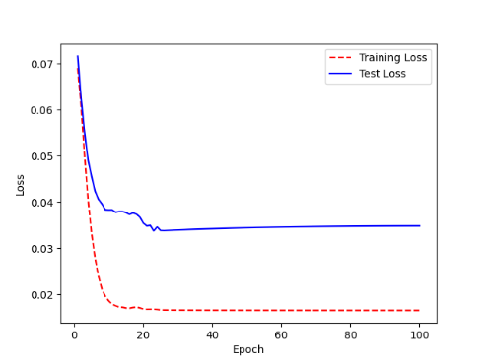 | 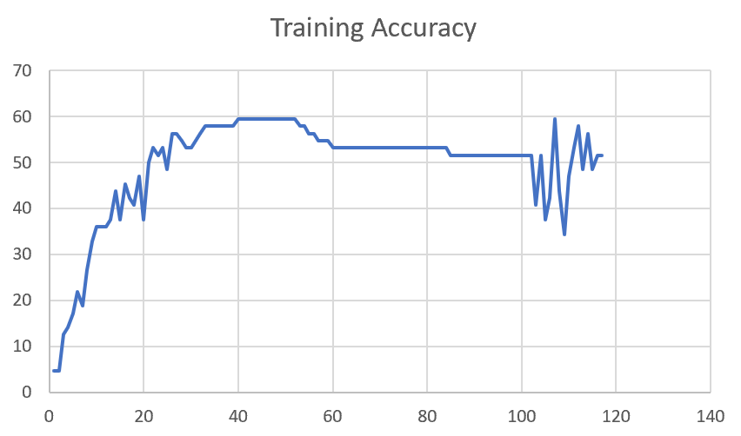

F02_T3+D12 | Token Embeddings + Decoder 12 | 50 | 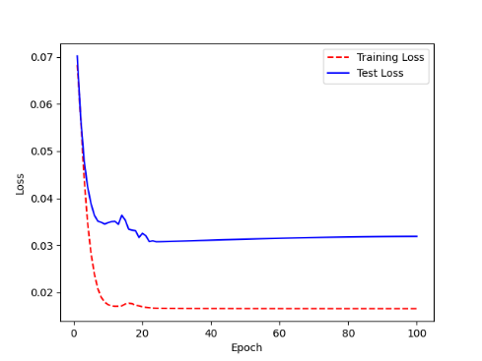 | 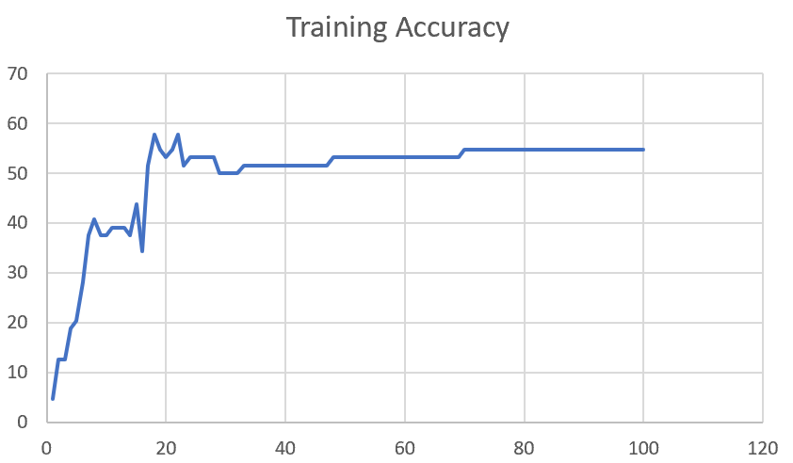

F02_T3+D1 | Token Embeddings + Decoder 1 | 50 | 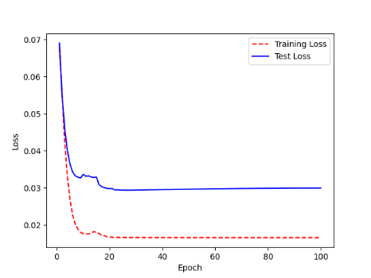 | 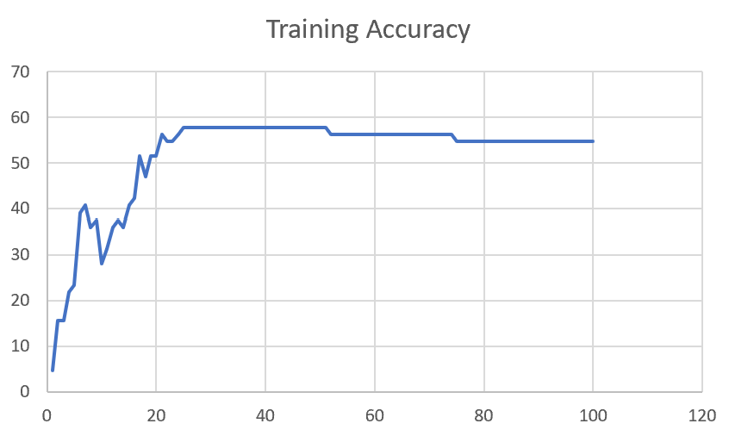

F03
Speaker: F03 | Intelligibility: Very Low | Speech Vision Accuracy: 32.47

Model Name | Layers Frozen | Accuracy | Loss graph | Training accuracy graph
F03_E1.h5 | Encoder 1 | 22 | 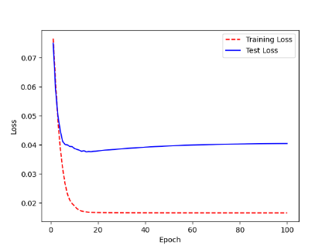 | 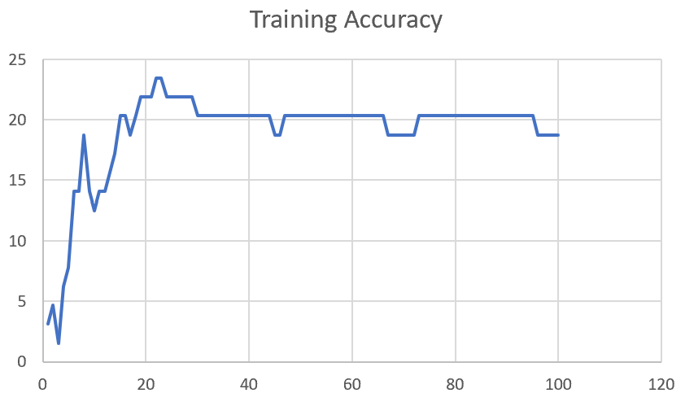

F03_E12.h5 | Encoder 12 | 25 | 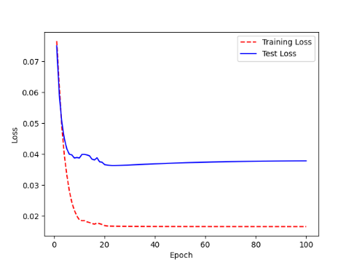 | 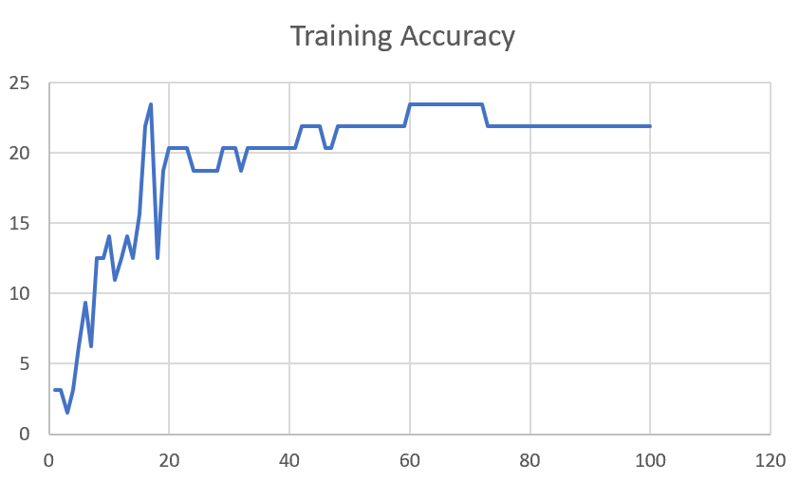

F03_E123 | Encoder 123 | 23 | 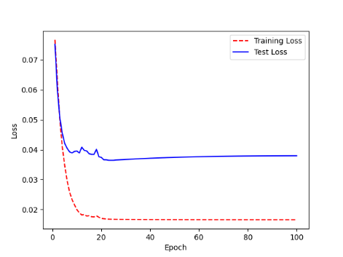 | 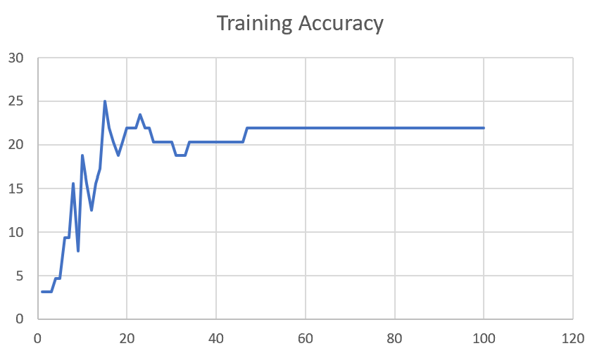

F03_E1234 | Encode 1234 | 20 | 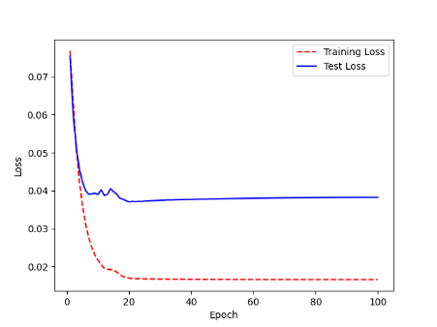 | 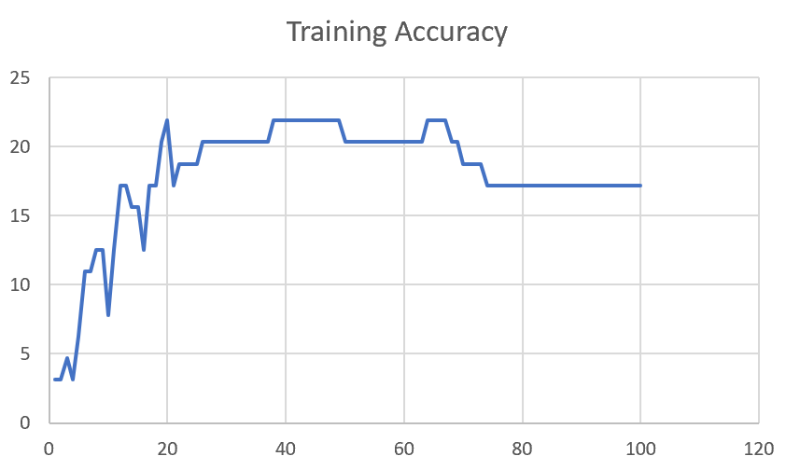

F03_E12345 | Encode 12345 | 19 |  | 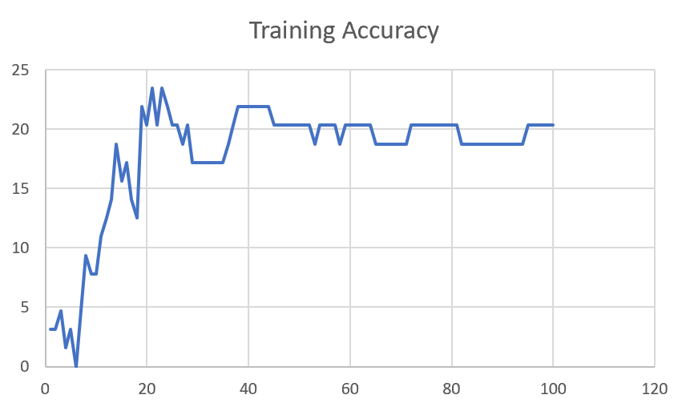

F03_TE | Token Embeddings | 28 |  | 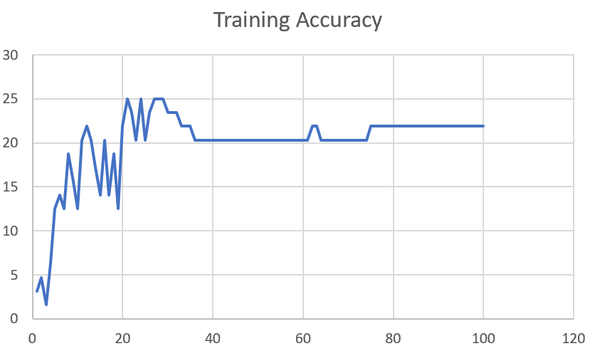

F03_T3+D123 | Token Embeddings + Decoder 1 | 29 |  | 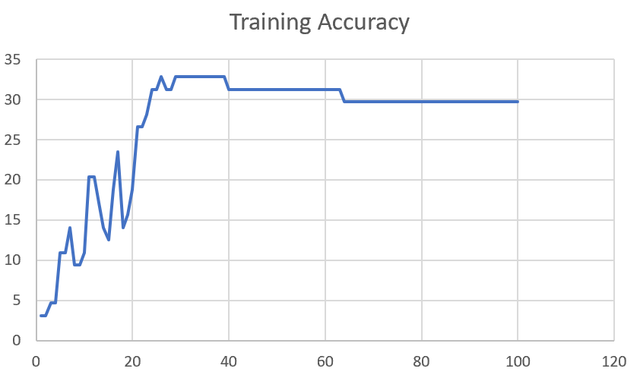

F03_T3+D12 | Token Embeddings + Decoder 12 | 25 | 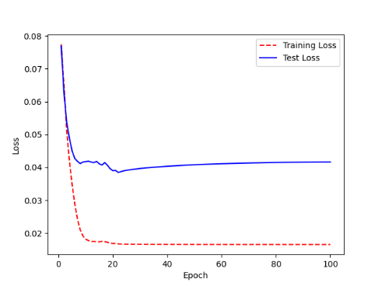 | 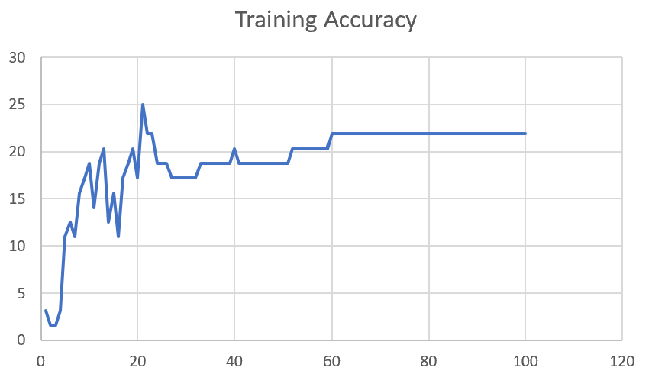

F03_T3+D1 | Token Embeddings + Decoder 123 | 22 | 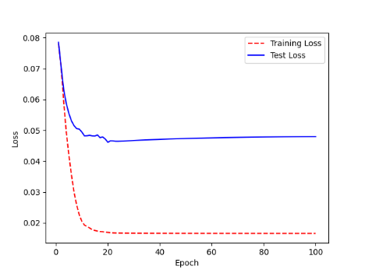 | 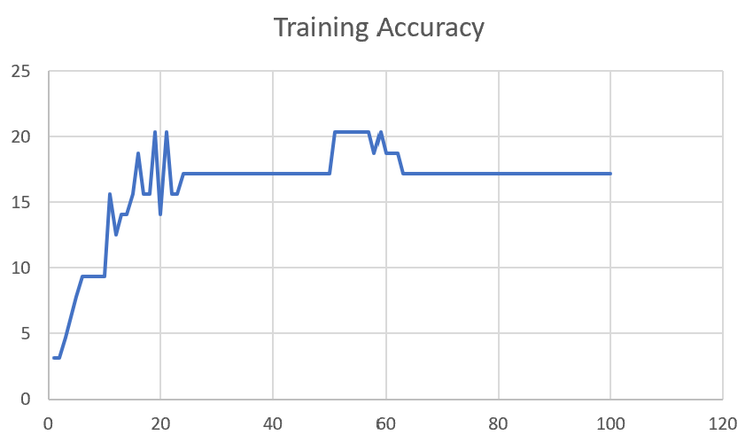

M12
Speaker: M12 | Intelligibility: Very Low | Speech Vision Accuracy: 40.65

Model Name | Layers Frozen | Accuracy | Loss graph | Training accuracy graph
M12_E1.h5 | Encoder 1 | 17 | 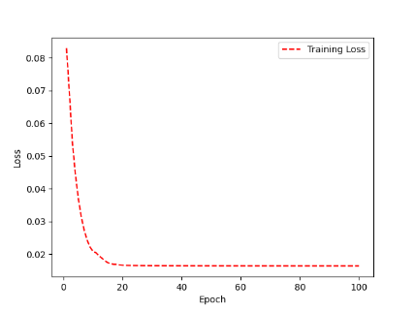 | 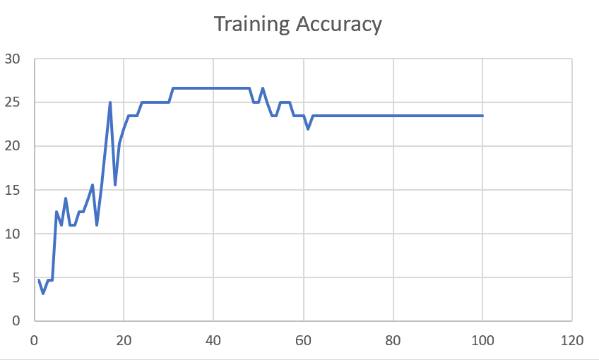

M12_E12.h5 | Encoder 12

M12_E123 | Encoder 123

M12_E1234 | Encode 1234

M12_E12345 | Encode 12345

M12_TE | Token Embeddings

M12_T3+D123 | Token Embeddings + Decoder 1

M12_T3+D12 | Token Embeddings + Decoder 12

M12_T3+D1 | Token Embeddings + Decoder 123

M12_D3 | Decoder 3

Sheet1
 |  |  | Training Accuracy
0 | 0.953125 | 1 | 4.6875
1 | 0.96875 | 2 | 3.125
2 | 0.953125 | 3 | 4.6875
3 | 0.953125 | 4 | 4.6875
4 | 0.875 | 5 | 12.5
5 | 0.890625 | 6 | 10.9375
6 | 0.859375 | 7 | 14.0625
7 | 0.890625 | 8 | 10.9375
8 | 0.890625 | 9 | 10.9375
9 | 0.875 | 10 | 12.5
10 | 0.875 | 11 | 12.5
11 | 0.859375 | 12 | 14.0625
12 | 0.84375 | 13 | 15.625
13 | 0.890625 | 14 | 10.9375
14 | 0.84375 | 15 | 15.625
15 | 0.796875 | 16 | 20.3125
16 | 0.75 | 17 | 25
17 | 0.84375 | 18 | 15.625
18 | 0.796875 | 19 | 20.3125
19 | 0.78125 | 20 | 21.875
20 | 0.765625 | 21 | 23.4375
21 | 0.765625 | 22 | 23.4375
22 | 0.765625 | 23 | 23.4375
23 | 0.75 | 24 | 25
24 | 0.75 | 25 | 25
25 | 0.75 | 26 | 25
26 | 0.75 | 27 | 25
27 | 0.75 | 28 | 25
28 | 0.75 | 29 | 25
29 | 0.75 | 30 | 25
30 | 0.734375 | 31 | 26.5625
31 | 0.734375 | 32 | 26.5625
32 | 0.734375 | 33 | 26.5625
33 | 0.734375 | 34 | 26.5625
34 | 0.734375 | 35 | 26.5625
35 | 0.734375 | 36 | 26.5625
36 | 0.734375 | 37 | 26.5625
37 | 0.734375 | 38 | 26.5625
38 | 0.734375 | 39 | 26.5625
39 | 0.734375 | 40 | 26.5625
40 | 0.734375 | 41 | 26.5625
41 | 0.734375 | 42 | 26.5625
42 | 0.734375 | 43 | 26.5625
43 | 0.734375 | 44 | 26.5625
44 | 0.734375 | 45 | 26.5625
45 | 0.734375 | 46 | 26.5625
46 | 0.734375 | 47 | 26.5625
47 | 0.734375 | 48 | 26.5625
48 | 0.75 | 49 | 25
49 | 0.75 | 50 | 25
50 | 0.734375 | 51 | 26.5625
51 | 0.75 | 52 | 25
52 | 0.765625 | 53 | 23.4375
53 | 0.765625 | 54 | 23.4375
54 | 0.75 | 55 | 25
55 | 0.75 | 56 | 25
56 | 0.75 | 57 | 25
57 | 0.765625 | 58 | 23.4375
58 | 0.765625 | 59 | 23.4375
59 | 0.765625 | 60 | 23.4375
60 | 0.78125 | 61 | 21.875
61 | 0.765625 | 62 | 23.4375
62 | 0.765625 | 63 | 23.4375
63 | 0.765625 | 64 | 23.4375
64 | 0.765625 | 65 | 23.4375
65 | 0.765625 | 66 | 23.4375
66 | 0.765625 | 67 | 23.4375
67 | 0.765625 | 68 | 23.4375
68 | 0.765625 | 69 | 23.4375
69 | 0.765625 | 70 | 23.4375
70 | 0.765625 | 71 | 23.4375
71 | 0.765625 | 72 | 23.4375
72 | 0.765625 | 73 | 23.4375
73 | 0.765625 | 74 | 23.4375
74 | 0.765625 | 75 | 23.4375
75 | 0.765625 | 76 | 23.4375
76 | 0.765625 | 77 | 23.4375
77 | 0.765625 | 78 | 23.4375
78 | 0.765625 | 79 | 23.4375
79 | 0.765625 | 80 | 23.4375
80 | 0.765625 | 81 | 23.4375
81 | 0.765625 | 82 | 23.4375
82 | 0.765625 | 83 | 23.4375
83 | 0.765625 | 84 | 23.4375
84 | 0.765625 | 85 | 23.4375
85 | 0.765625 | 86 | 23.4375
86 | 0.765625 | 87 | 23.4375
87 | 0.765625 | 88 | 23.4375
88 | 0.765625 | 89 | 23.4375
89 | 0.765625 | 90 | 23.4375
90 | 0.765625 | 91 | 23.4375
91 | 0.765625 | 92 | 23.4375
92 | 0.765625 | 93 | 23.4375
93 | 0.765625 | 94 | 23.4375
94 | 0.765625 | 95 | 23.4375
95 | 0.765625 | 96 | 23.4375
96 | 0.765625 | 97 | 23.4375
97 | 0.765625 | 98 | 23.4375
98 | 0.765625 | 99 | 23.4375
99 | 0.765625 | 100 | 23.4375
<__main__.DisplayOutputs object at 0x7f14784a68b0> | 0.765625 | #VALUE! | 23.4375
<__main__.DisplayOutputs object at 0x7f14784a68b0> | 0.796875 | #VALUE! | 20.3125
<__main__.DisplayOutputs object at 0x7f14784a68b0> | 0.875 | #VALUE! | 12.5
<__main__.DisplayOutputs object at 0x7f14784a68b0> | 0.875 | #VALUE! | 12.5
<__main__.DisplayOutputs object at 0x7f14784a68b0> | 0.859375 | #VALUE! | 14.0625
<__main__.DisplayOutputs object at 0x7f14784a68b0> | 0.75 | #VALUE! | 25
<__main__.DisplayOutputs object at 0x7f14784a68b0> | 0.8125 | #VALUE! | 18.75
<__main__.DisplayOutputs object at 0x7f14784a68b0> | 0.765625 | #VALUE! | 23.4375
<__main__.DisplayOutputs object at 0x7f14784a68b0> | 0.828125 | #VALUE! | 17.1875
<__main__.DisplayOutputs object at 0x7f14784a68b0> | 0.828125 | #VALUE! | 17.1875
<__main__.DisplayOutputs object at 0x7f14784a68b0> | 0.875 | #VALUE! | 12.5
<__main__.DisplayOutputs object at 0x7f14784a68b0> | 0.953125 | #VALUE! | 4.6875
<__main__.DisplayOutputs object at 0x7f14784a68b0> | 0.84375 | #VALUE! | 15.625
<__main__.DisplayOutputs object at 0x7f14784a68b0> | 0.796875 | #VALUE! | 20.3125
<__main__.DisplayOutputs object at 0x7f14784a68b0> | 0.82352941176 | #VALUE! | 17.647058824
 |  | 1 | 100
 |  | 1 | 100
<__main__.DisplayOutputs object at 0x7eff3012ee50> | 0.55737704918

